Reference Location
1. To find the location coordinates, please go to https://www.google.com/maps
2. Search for your location, then right click to obtain the coordinates
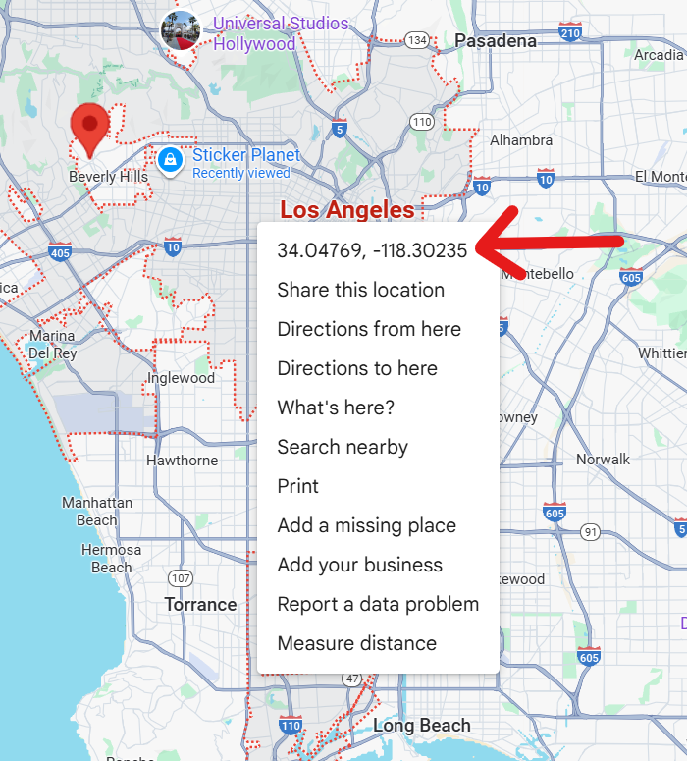
3. Click the coordinate to copy the values to your clipboard, e.g. 34.047688634109285, -118.30234654074692. The first value is the latitude, and the second value is longitude.
4. Input the latitude and longitude values into the "User Input" worksheet, and add the radius (in kilometres (km)) that you want to include in the search parameter. Note: The radius determines how far around the coordinate the system will look for results — larger values will capture a broader area.

